Sheet1
PROJECT NAME |  | App Data Security |  |  | TEST DATA | 1.1 (str) userName : badcc
MODULE NAME |  | Record evaluating |  |  |  | 1.2 (str) passwordLogin : 123
 |  |  |  |  |  | 2.1 (int) choice : 4
TEST DESIGNED BY |  | Luu Dieu Co |  |  |  | 3.1 (int) assess_supervisorID : 1001
TEST DESIGNED DATE |  | 15/5/2019 |  |  |  | 3.2 (int) assessRecord : 77558
TEST EXECUTED BY |  | Tran Hoang Chuong |  |  |  | 3.3 (str) supervisorRating : 9.5/10
TEST EXECUTED DATE |  | 16/5/2019 |  |  |  | 3.4 (str) feedBack : This trainee did his task really good.

TEST CASE # | TEST CASE TITLE |  |  | TEST CASE DESCRIPTION |  | TEST CASE STEPS | POST CONDITION | STATUS | FAIL CONDITION | TEST CASE #3 - FAIL CONDITION
#1 | Application login |  |  | Supervisor logs in the application by entering their username and password |  | 1.1 Input username | Username and password must be available | OK | Username or password is not exist
 |  |  |  |  |  | 1.2 Input password
#2 | Functional adressing |  |  | Supervisor chooses the record assessment function |  | 2.1 Input choice | Choice should be available (from range 1 - 5) | OK | Choice is not correct (lower than 1 or exceeding 5)

#3 | Record assessment |  |  | Supervisor will evaluating trainee's half-finished record, then he submits the whole record + his new assessment to the server database |  | 3.1 Input ID supervisor | ID supervisor must be correct, ID record must be correct | OK | ID supervisor not correct, ID record not correct
 |  |  |  |  |  | 3.2 Input ID record
 |  |  |  |  |  | 3.3 Input supervisor rating
 |  |  |  |  |  | 3.4 Input supervisor feedback

Expected result |  |  | Actual result

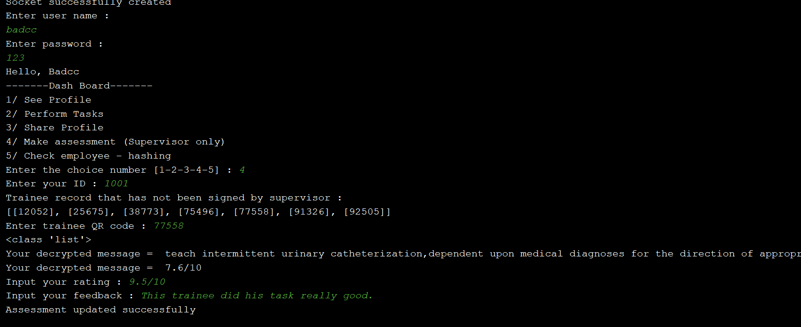
The client interface will print out the line "Assessment updated successfully"

